Motor Sizing
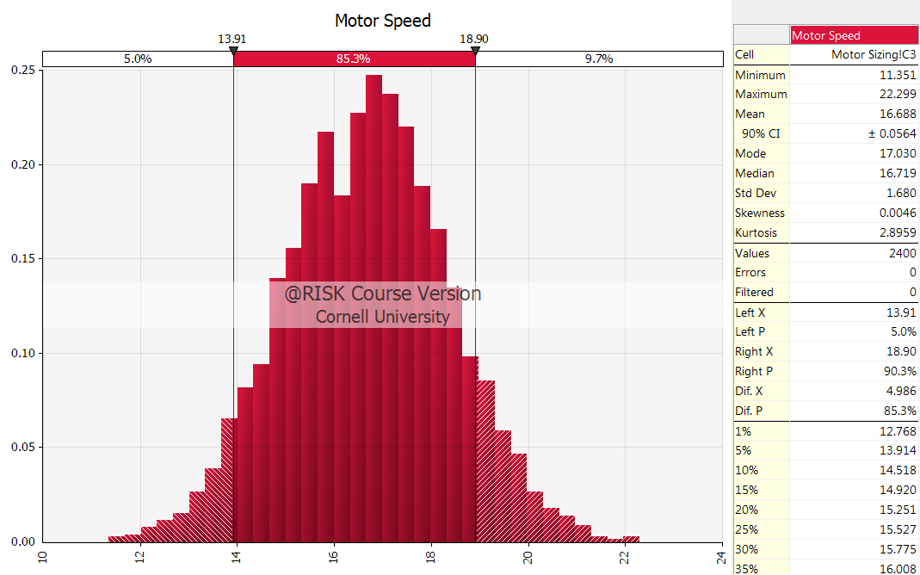
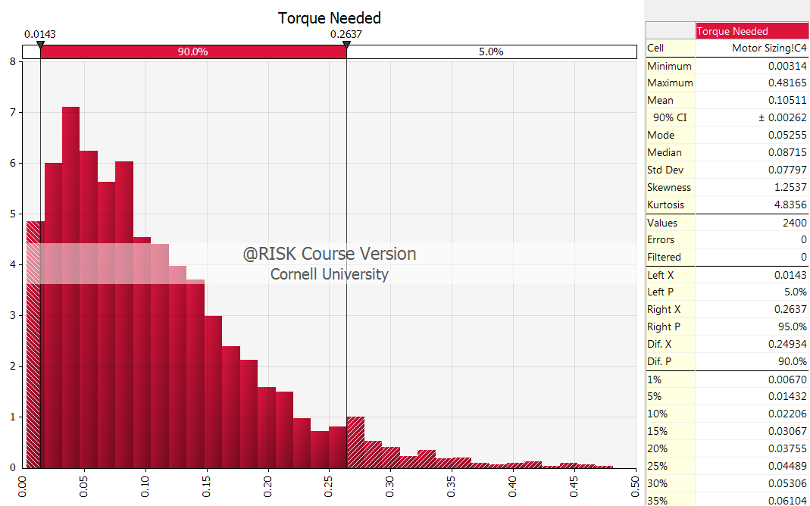
Output |  |  | Design
Motor Speed | 16.711269025 | rad/s | 19.5 | rad/s
Torque Needed | 0.011772 | nm | 0.27 | Nm Max 90% | 38.235221715 | oz-in
Power needed | 20.601 | Watts | 551.34951071 | Watts

Input |  |  | Type of variable | Distribution
Conveyor speed | 0.07 | m/s | Uncertainty | Normal
Surface Friction Coeff | 0.005 |  | Uncertainty | PERT
Conveying Weight | 6 | kg | Uncertainty | PERT
Roller radius | 40 | mm | Decision

Intermediate Calculation

MotorSizing
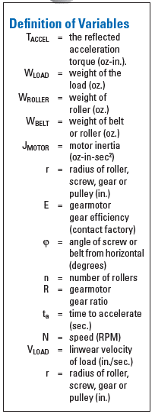
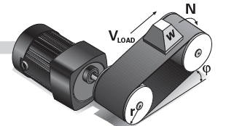
A | Speed
 | V_load | 1 | in/sec
 | r | 2 | in

 | N | 4.775 | RPM

B | T_Accel
 | W_load | 175 | oz
 | W_roller | 0 | oz
 | W_belt | 110 | oz
 | J_motor | 0 | oz-in-sec^2
 | R
 | E
 | V_load | 1
 | n |  | rollers
 | t_a | 1 | sec

 | T_Accel | 0.9067357513 | oz-in

C | T_Friction
 | T_Friction | 100 | oz-in

D | T_Breakaway
 | T_Friction | 120 | oz-in

E | T_Gravity
 | T_Gravity | 0

F | T_Cont and HP_Cont

